Haubencase
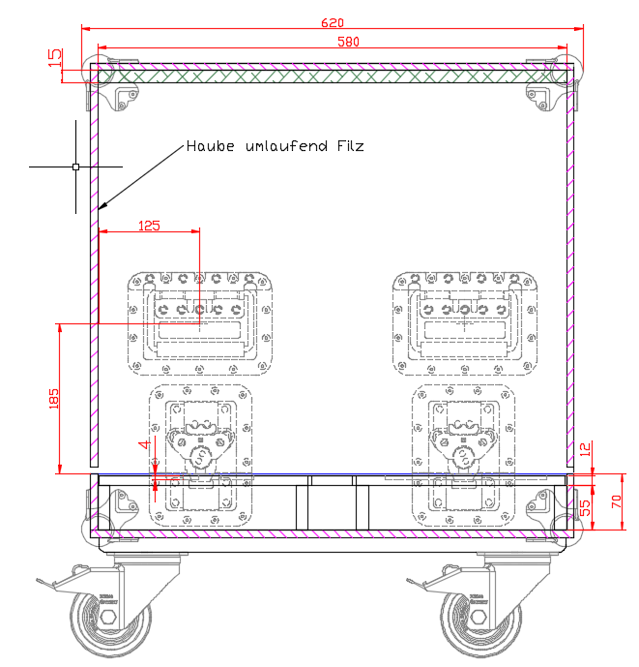
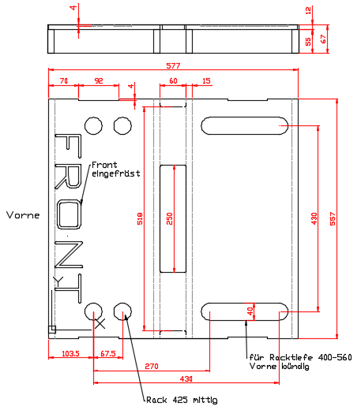
Vario-Haubencase

 | Konfiguration: |  |  | St | Variorack |  |  | 1 | HE |  | 74 | = | 0

 |  |  |  | St | Variorack |  |  | 2 | HE |  | 119 | = | 0

 |  |  |  | St | Variorack |  |  | 3 | HE |  | 164 | = | 0
 |  |  | +
 |  |  |  | St | Variorack |  |  | 4 | HE |  | 209 | = | 0
 |  |  | +
 |  |  |  | St | Variorack |  |  | 5 | HE |  | 254 | = | 0
 |  |  | +
 |  |  |  | St | Variorack |  |  | 6 | HE |  | 297 | = | 0

 |  |  |  |  | Maß |  |  |  |  |  |  |  | 0

 |  |  |  |  | Perforline9,5
 |  |  |  |  |  | 2x | 577 |  | x | 557
 |  |  |  |  |  |  | 577 |  | x | 70
 |  |  |  |  |  |  | 577 |  | x | 4
 |  |  |  |  |  |  | 557 |  | x | 70
 |  |  |  |  |  |  | 557 |  | x | 4

50
Sichtfenster 8mm Plexiglas
TL-
Schale
120

 |  | -80 |  |  | -100

80
50

